Indices

 | Iraq Stock Exchange
 | Bulletin No (175)

 | ISX Trading Indices of Thursday 2/10/2025

 | Traded Volume and OTC |  | 754,432,804 |  | Traded Value and OTC |  | 718,529,139 |  | Traders | 637

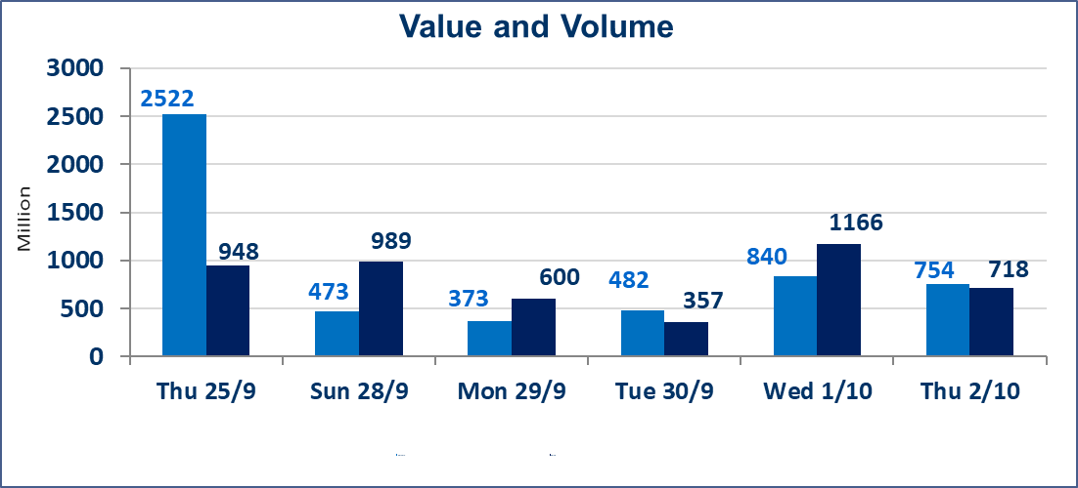
 | ISX Index 60 |  |  | 961.81 | ISX Index 15 |  |  | 1131.26
 | Previous ISX Index60 |  |  | 965.71 | Previous ISX Index15 |  |  | 1132.49
 | Change % |  |  | -0.40 | Change % |  |  | -0.11
 | Change |  |  | -3.90 | Change |  |  | -1.23

 | Listed Companies | 104 | OTC | 11 | Non Traded listed | 45 | OTC | 9
 | Traded Listed Companies | 42 | OTC | 1 | Higher Companies |  |  | 8
 | GAM Companies |  |  | 7 | Lower Companies |  |  | 17
 | Suspended Companies |  |  | 10
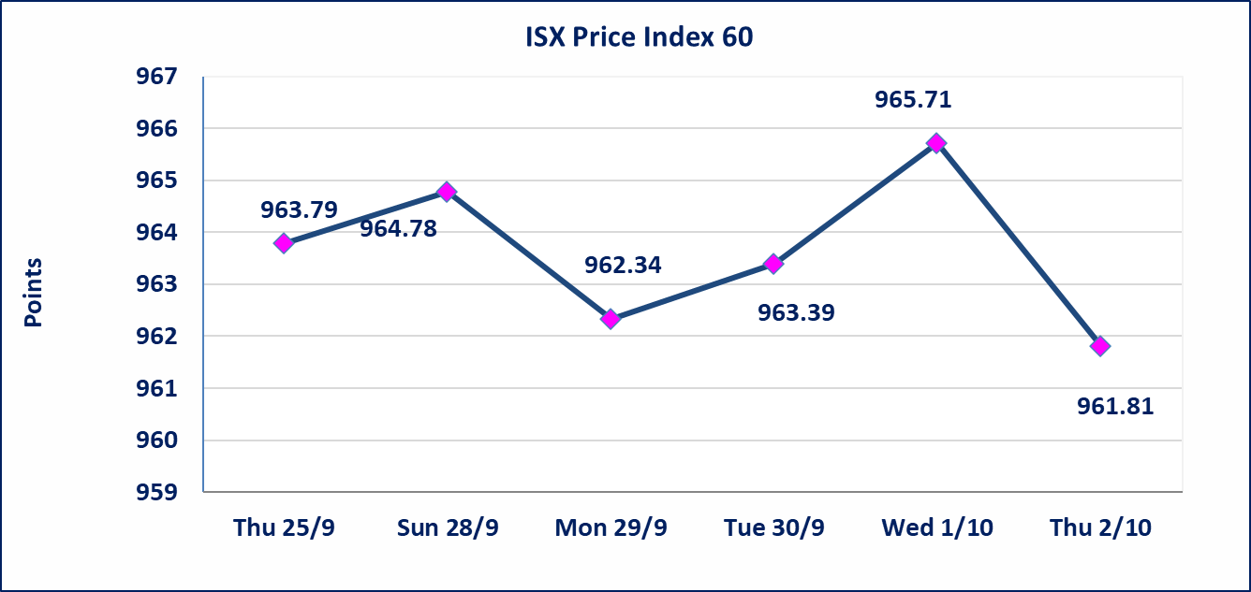
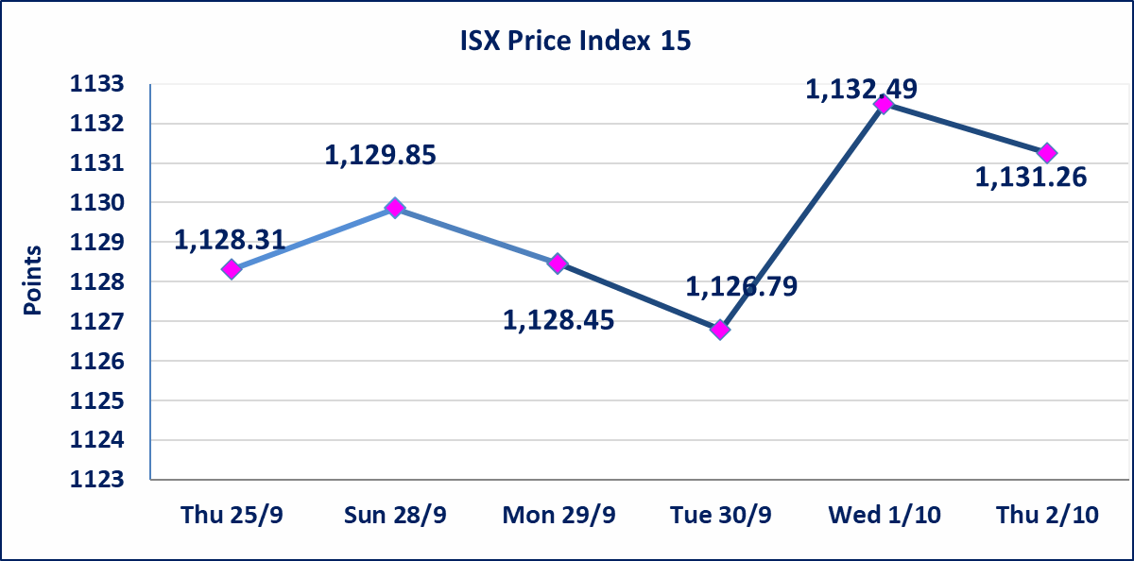

 |  |  |  | ء

Al-Alwiya P.O . 3607 Mobile: 07711211522 - 07270094594 - 07834000034 E-mail: info-isx@isx-iq.net Web site:www.isx-iq.net

Top 5
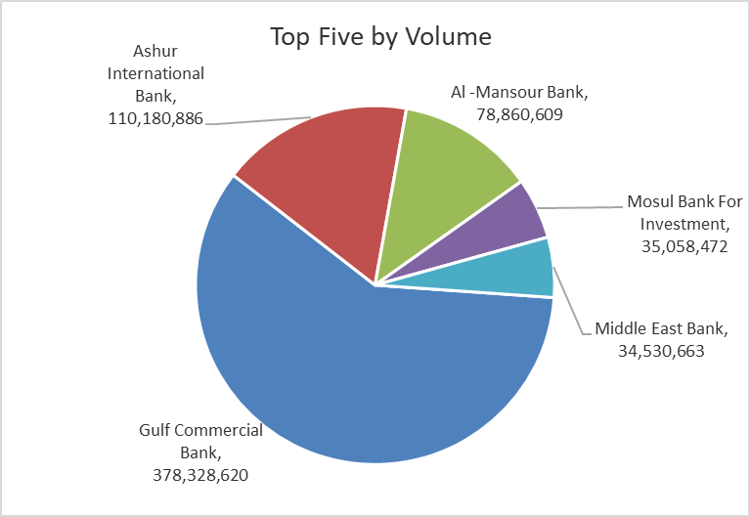
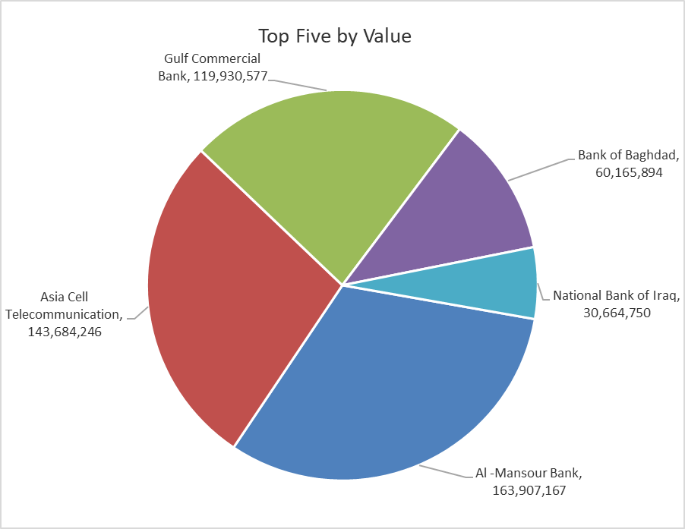
ISX top ganing and losing companies
Thursday 2/10/2025
Gainers |  |  |  | Losers
Company Name | Closing Price | Change (%) | Traded Volume | Company Name | Closing Price | Change (%) | Traded Volume
Credit Bank Of Iraq | 0.100 | 11.11 | 100,149 | Gulf Insurance | 0.580 | -13.43 | 69,195
Palestine Hotel | 29.510 | 4.98 | 781,172 | Mosul Bank For Investment | 0.160 | -5.88 | 35,058,472
Modern Construction Materials | 0.470 | 4.44 | 100,000 | AL-Nukhba for Construction | 0.850 | -5.56 | 1,725,144
Al-Sadeer Hotel | 24.600 | 2.07 | 262,409 | Ready Made Clothes | 2.060 | -4.19 | 300,000
Ishtar Hotels | 9.550 | 1.60 | 490,875 | Iraqi Date Processing and Marketing | 2.710 | -3.90 | 2,000,000

The most active companies in term of traded volume and value

Traded Volume |  |  |  | Traded Value
Company Name | Closing Price | Change (%) | Traded Volume | Company Name | Closing Price | Change (%) | Traded Value
Gulf Commercial Bank | 0.320 | -5.88 | 378,328,620 | Al -Mansour Bank | 2.080 | 0.00 | 163,907,167
Ashur International Bank | 0.250 | -3.85 | 110,180,886 | Asia Cell Telecommunication | 12.100 | 0.00 | 143,684,246
Al -Mansour Bank | 2.080 | 0.00 | 78,860,609 | Gulf Commercial Bank | 0.320 | -5.88 | 119,930,577
Mosul Bank For Investment | 0.160 | -5.88 | 35,058,472 | Bank of Baghdad | 3.620 | -0.28 | 60,165,894
Middle East Bank | 0.070 | 0.00 | 34,530,663 | National Bank of Iraq | 4.090 | -0.24 | 30,664,750

Non Iraqis

Iraq Stock Exchange
Non Iraqis' Bulletin Thursday Oct 2 2025
Regular Market

Non Iraqi Trading of Regular Market (Buy)
Company Names | Code | No.of trades | Traded Shares | Trading Volume
Banks Sector
Al-Mansour Bank | BMNS | 11 | 50,000,000 | 104,000,000
Total Bank sector |  | 11 | 50,000,000 | 104,000,000
Grand Total |  | 11 | 50000000 | 104000000

Non Iraqi Trading of Regular Market (Sell)
Company Names | Code | No.of trades | Traded Shares | Trading Volume
Banks Sector
Al-Mansour Bank | BMNS | 12 | 25,000,000 | 52,000,000
Total Bank sector |  | 12 | 25,000,000 | 52,000,000
Grand Total |  | 12 | 25000000 | 52000000

Non Iraqi Trading of Second Market (Sell)
Company Names | Code | No.of trades | Traded Shares | Trading Volume
Industry sector
Fallujah for Construction Materials | IFCM | 2 | 1,020,000 | 3,304,800
Total Industry sector |  | 2 | 1,020,000 | 3,304,800
Grand Total |  | 2 | 1020000 | 3304800

